BUS
 |  |  | Driver

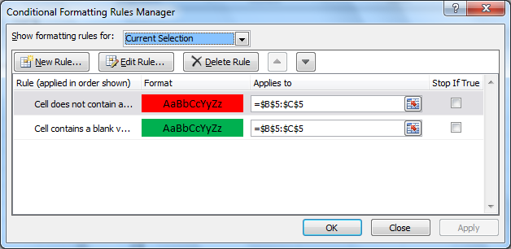
1 | 11 | 21 | 31
tsang | tsang
2 | 12 | 22 | 32

3 | 13 | 23 | 33

4 | 14 | 24 | 34

5 | 15 | 25 | 35

6 | 16 | 26 | 36

7 | 17 | 27 | 37

8 | 18 | 28 | 38

9 | 19 | 29 | 39

10 | 20 | 30 | 40

